Green Taxi Column info
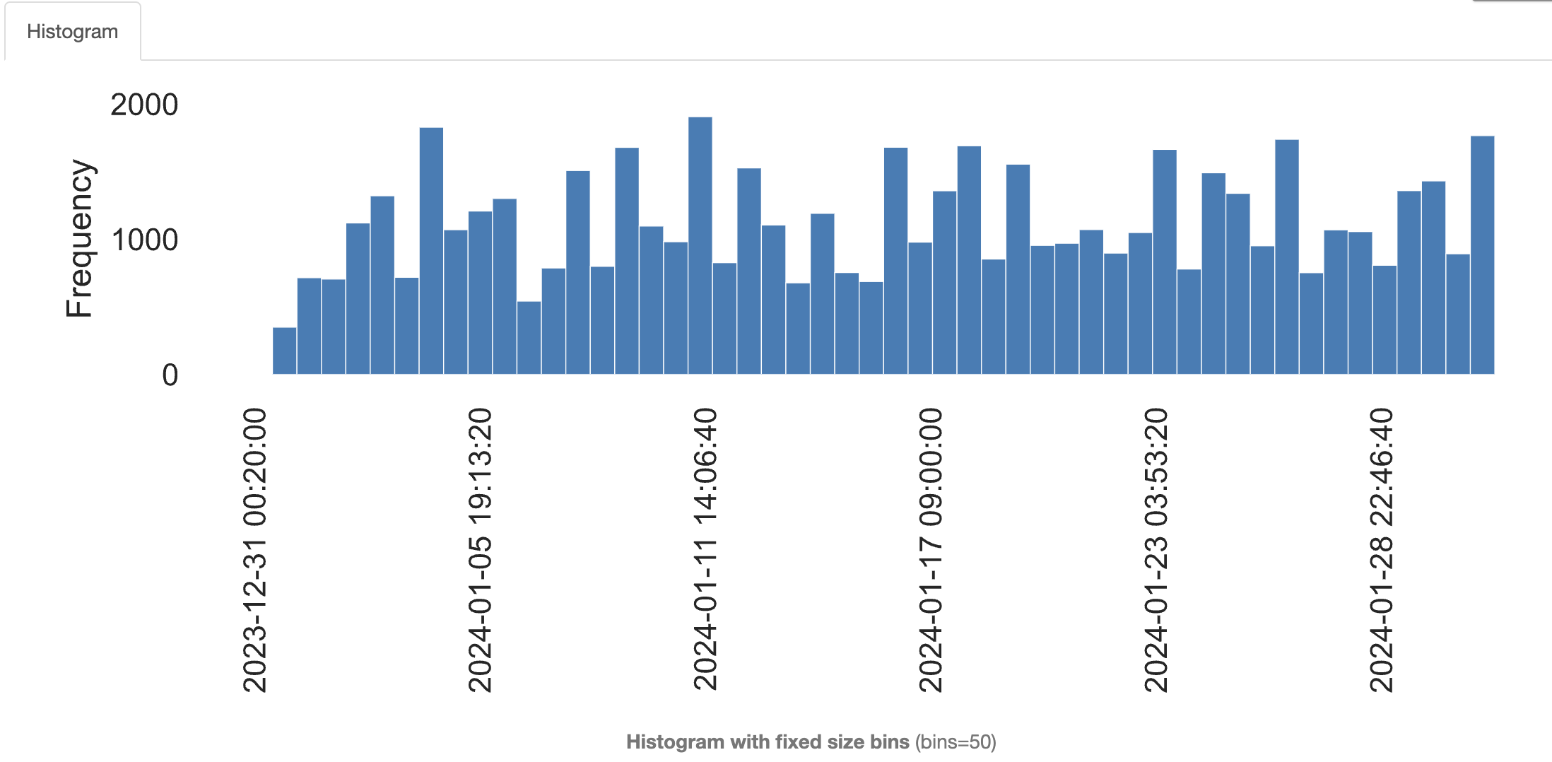 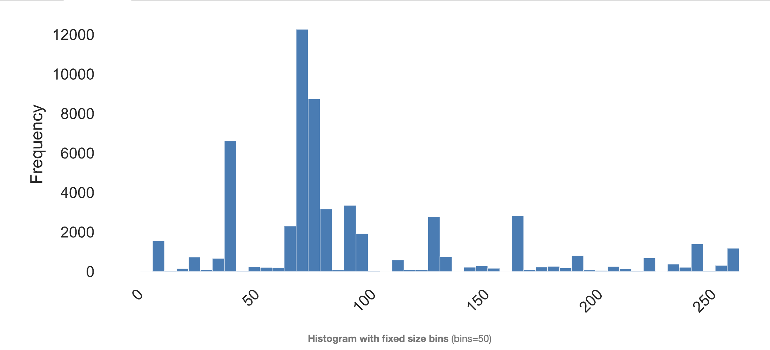 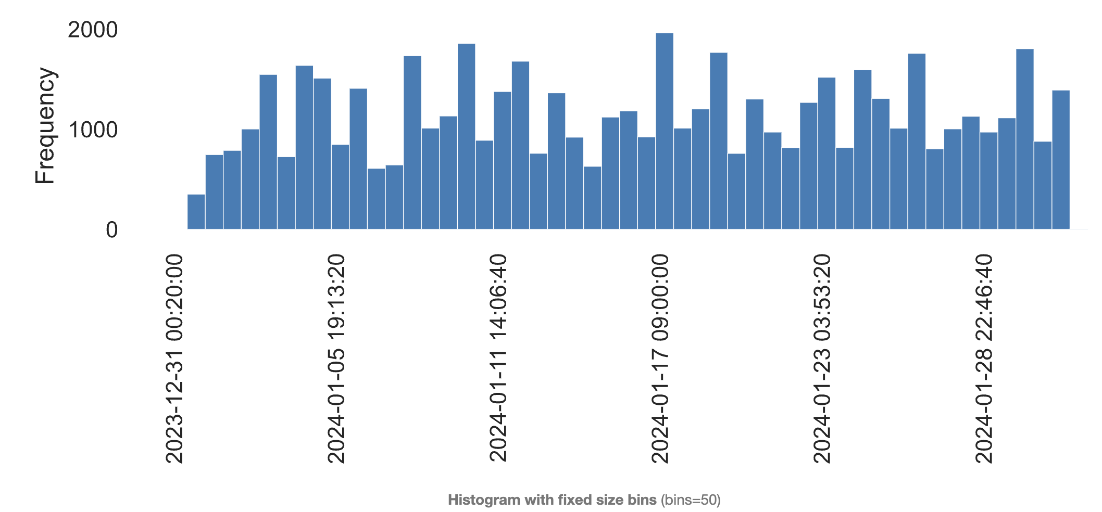 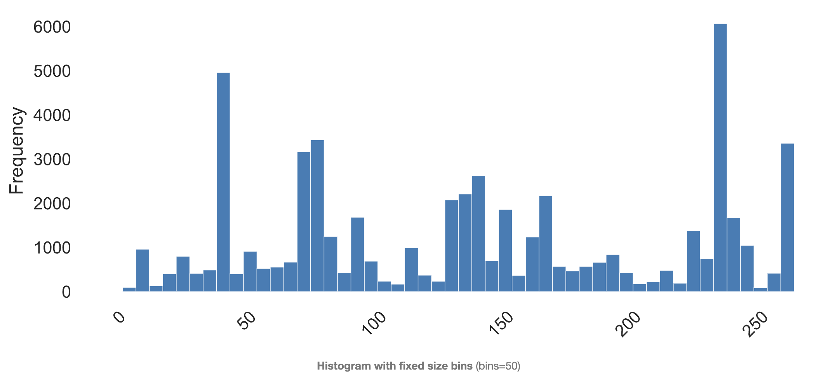
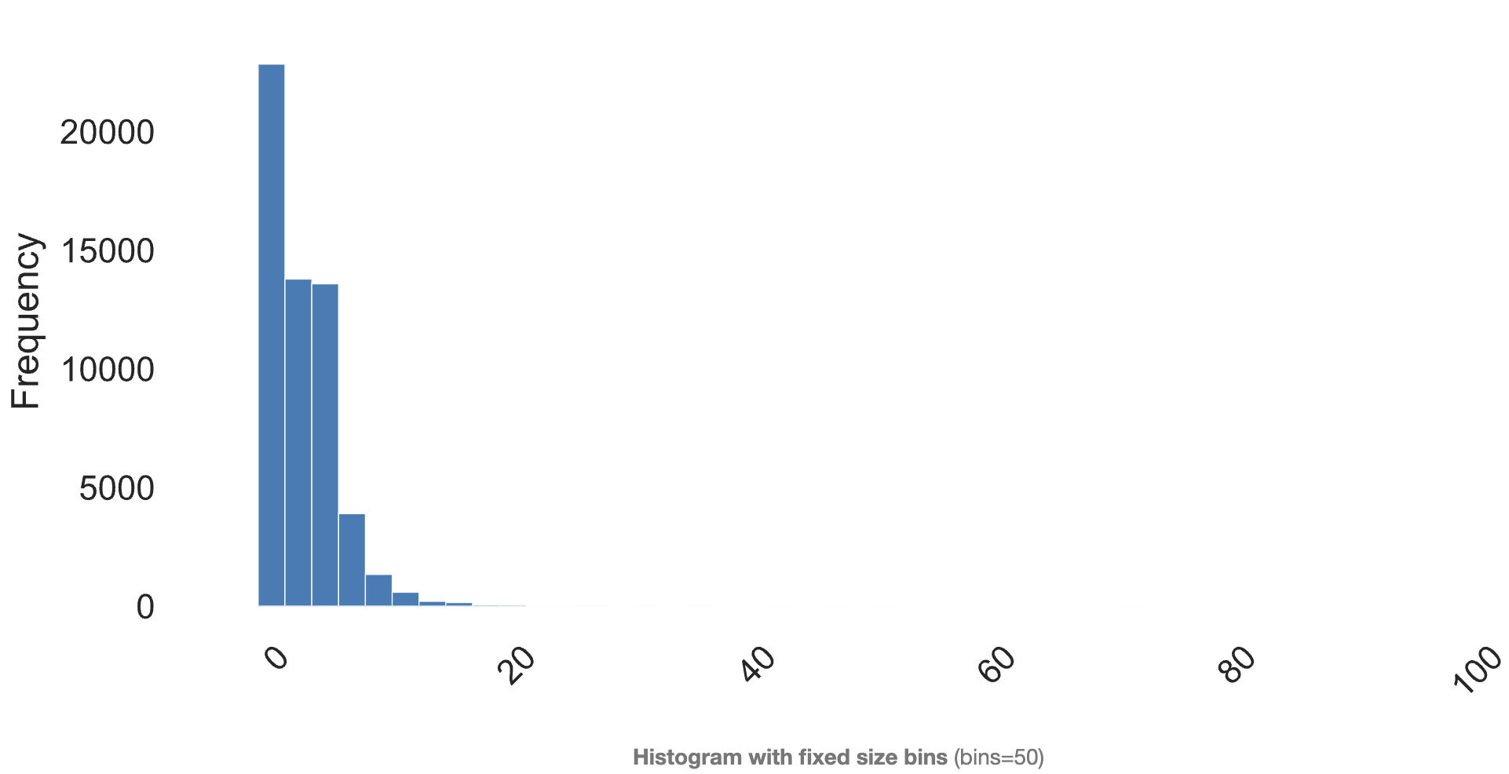
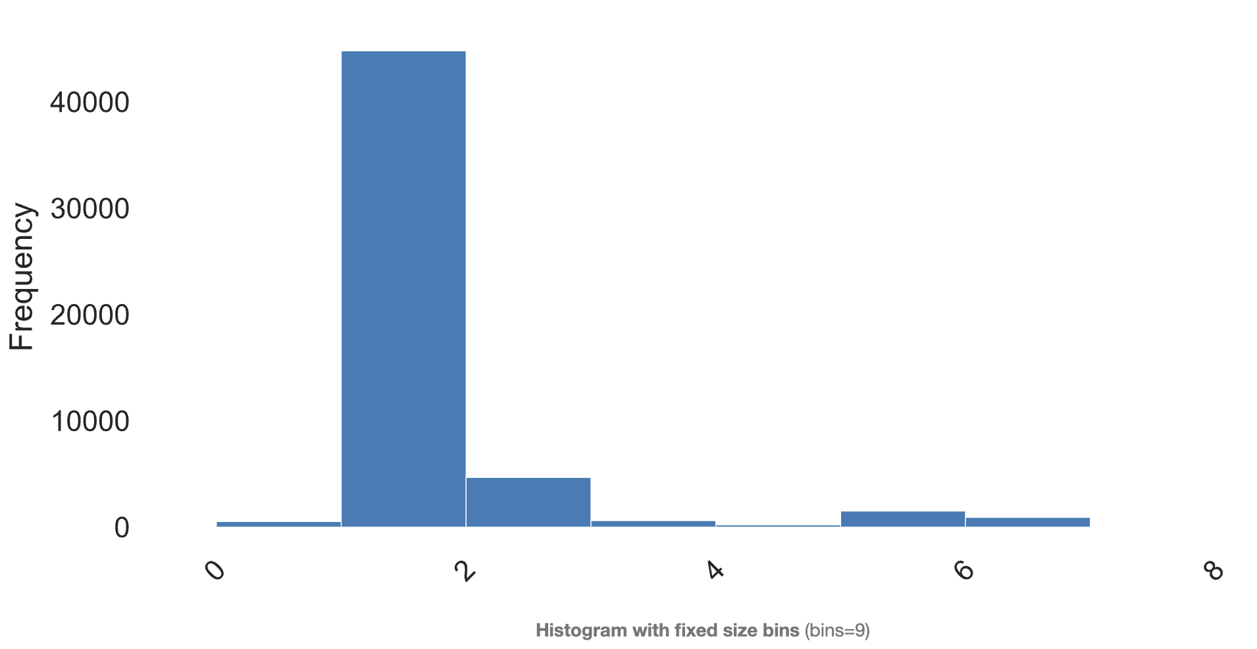
Data set Profile

Name | green_tripdata_2024-01
Size | 6.4 MB
Number of records | 50K
Frequency of updates | As needed
Number of fields | 21
Extraction methods | .csv

Column Name | Column Description | Term, Acronym, or Code Definitions | Additional Notes (where applicable, include the range of possible values, units of measure, how to interpret null/zero values, whether there are specific relationships between columns, and information on column source) | Dtype | null rate | number of unique values | most popululous column | count | mean | std_div
VendorID | A code indicating the TPEP provider that provided the record. | 1= Creative Mobile Technologies, LLC; 2= Curb Mobility (formerly VeriFone Inc) |  | Numerical | 0 |  |  |  | 1.870241 | 0.336041
lpep_pickup_datetime | The date and time when the meter was engaged. |  | Date in format MM/DD/YY HH:MM:SS AM/PM | Categorical | 0 | 55284 | 45306.745532 | 5
lpep_dropoff_datetime | The date and time when the meter was disengaged. |  | Date in format MM/DD/YY HH:MM:SS AM/PM | Categorical | 0 | 55300 | 45304 | 4
RatecodeID | The final rate code in effect at the end of the trip. | 1= Standard rate 2=JFK 3=Newark 4=Nassau or Westchester 5=Negotiated fare 6=Group ride |  | Numerical | 0.06039 |  |  |  | 1.151611 | 1.045251
Store_and_fwd_flag | This flag indicates whether the trip record was held in vehicle memory before sending to the vendor, aka “store and forward,” because the vehicle did not have a connection to the server. | Y= store and forward trip N= not a store and forward trip |  | Categorical | 0.06039 | 2 |  | 53136
PULocationID | TLC Taxi Zone in which the taximeter was engaged | corresponds with location_id field in NYC Taxi Zones. |  | Numerical | 0 |  |  |  | 164.931713 | 66.395568
DOLocationID | TLC Taxi Zone in which the taximeter was disengaged | corresponds with location_id field in NYC Taxi Zones |  | Numerical | 0 |  |  |  | 162.343978 | 70.810914
passenger_count | The number of passengers in the vehicle |  | This is a driver-entered value, and might not accurately reflect the number of passengers on a trip. | Numerical | 0.06039 |  |  |  | 1.309169 | 0.978252
trip_distance | The elapsed trip distance in miles reported by the taximeter. |  |  | Numerical | 0 |  |  |  | 31.491124 | 1417.460382
fare_amount | The time-and-distance fare calculated by the meter. |  |  | Numerical | 0 |  |  |  | 16.929275 | 15.356032
extra | Miscellaneous extras and surcharges. |  | Currently, this only includes the $0.50 and $1 rush hour and overnight charges. | Numerical | 0 |  |  |  | 0.900947 | 1.344313
mta_tax | $0.50 MTA tax that is automatically triggered based on the metered rate in use. |  |  | Numerical | 0 |  |  |  | 0.576696 | 0.381998
tip_amount | Tip amount – This field is automatically populated for credit card tips. Cash tips are not included. |  |  | Numerical | 0 |  |  |  | 2.25651 | 2.847957
tolls_amount | Total amount of all tolls paid in trip. |  |  | Numerical | 0 |  |  |  | 0.191202 | 1.190748
ehail_fee | Represents a fee that applies to trips booked through an electronic platform, such as a smartphone app. |  |  | NaN | 1 |  |  | NaN | NaN | NaN
Improvement_surcharge | $0.30 improvement surcharge assessed trips at the flag drop. The improvement surcharge began being levied in 2015. |  |  | Numerical | 0 |  |  |  | 0.984902 | 0.139863
total_amount | The total amount charged to passengers. Does not include cash tips. |  |  | Numerical | 0 |  |  |  | 22.403186 | 16.956518
payment_type | A numeric code signifying how the passenger paid for the trip. | 1= Credit card 2= Cash 3= No charge 4= Dispute 5= Unknown 6= Voided trip |  | Numerical | 0.06039 |  |  |  | 1.323114 | 0.499731
trip_type | A code indicating whether the trip was a street-hail or a dispatch that is automatically assigned based on the metered rate in use but can be altered by the driver | 1= Street-hail 2= Dispatch |  | Numerical | 0.06044 |  |  |  | 1.032673 | 0.17778
congestion_surcharge | An extra fee charged for taxi trips that start, end, or pass through a designated congestion zone in Manhattan, New York City. |  |  | Numerical | 0.06039 |  |  |  | 0.777138 | 1.238011

Green Taxi EDA:

Weather Dataset Column info
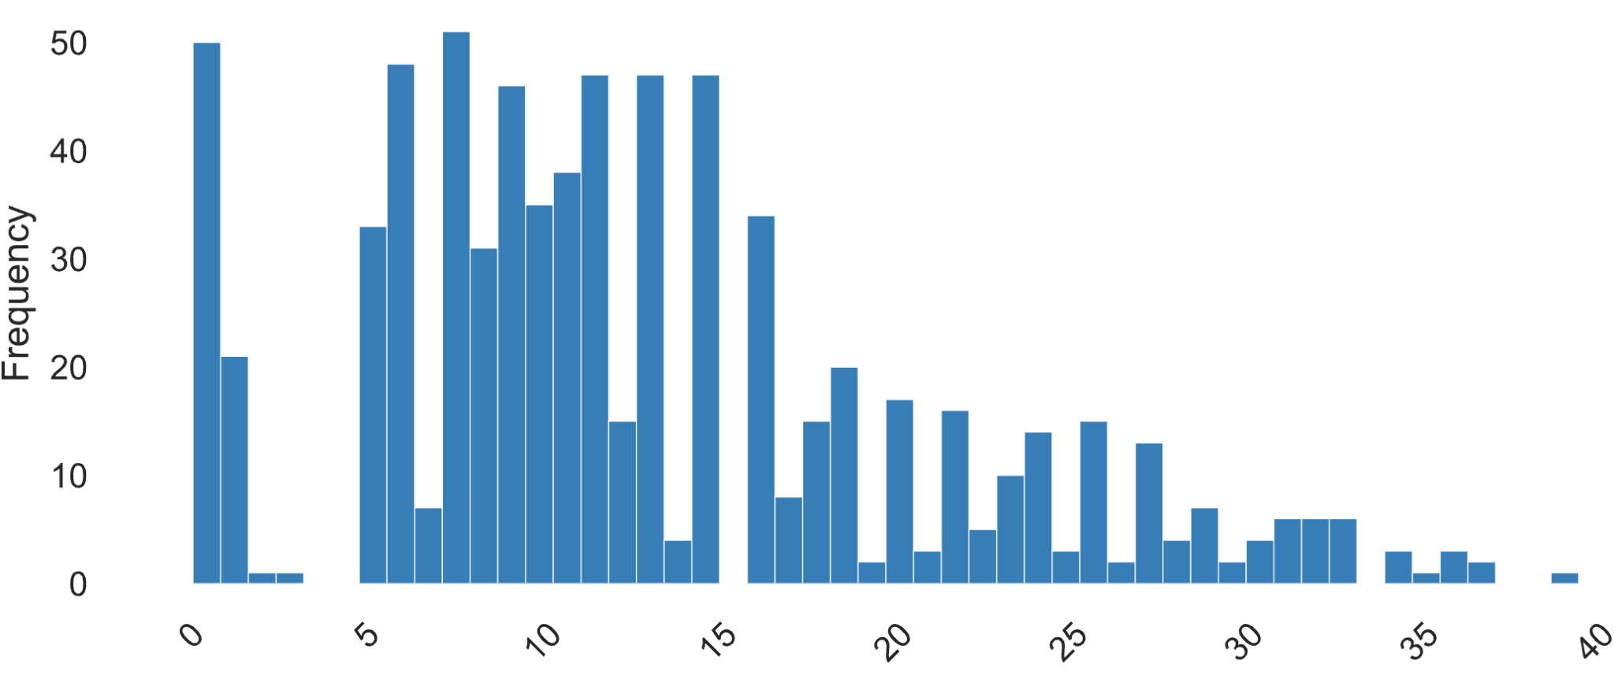

Data set Profile

Name | weather_data
Size | 138 KB
Number of records | 744
Frequency of updates | As needed
Number of fields | 24
Extraction methods | .csv

Column Name | Column Description | Term, Acronym, or Code Definitions | Dtype | null rate | number of unique values | count | mean | std_div
name | The name of the location for which the weather data is being reported. |  | Categorical | 0 | 1 | NaN | NaN | NaN
datetime | The date and time when the weather data was recorded. | usually in ISO 8601 format. | Categorical | 0 | 744 | NaN | NaN | NaN
temp | The air temperature at the time of observation |  | Numerical | 0 | 103 | 744 | 3.01 | 4.25
feelslike | The 'feels like' temperature, which is an index that combines the temperature, wind, and humidity to describe how the temperature actually feels to the average person. |  | Numerical | 0 | 203 | 744 | 0.1 | 5.37
dew | The dew point temperature at which air becomes saturated with moisture and dew can form. It is an indicator of humidity. |  | Numerical | 0 | 120 | 744 | 2.59 | 5.91
humidity | The relative humidity of the air, expressed as a percentage, which is a measure of the amount of moisture in the air compared to what it can hold at that temperature. |  | Numerical | 0 | 623 | 744 | 68.31 | 16.3
precip | The amount of precipitation (rain, snow, etc.) that has fallen, usually measured in millimeters or inches. |  | Numerical | 0 | 64 | 744 | 0.01 | 0.01
precipprob | The probability of precipitation occurring. | expressed as a percentage. | Numerical | 0 | 2 | 744 | 17 | 37
preciptype | The type of precipitation. | values such as rain, snow, sleet, or hail. | Categorical | 0.82 | 4 | NaN | NaN | NaN
snow | The amount of snowfall during the time of observation, typically measured in centimeters or inches. |  | Numerical | 0 | 16 | 132 | 0.02 | 0.02
snowdepth | The total depth of snow on the ground, irrespective of when it fell. |  | Numerical | 0 | 57 | 744 | 0.7 | 1.65
windgust | The highest speed of a gust of wind during the time of observation. |  | Numerical | 0 | 192 | 744 | 28.9 | 15.54
windspeed | The average speed of the wind, usually measured in kilometers per hour or miles per hour. |  | Numerical | 0 | 212 | 744 | 12.79 | 8.08
winddir | The direction from which the wind is coming, expressed in degrees or as a compass direction |  | Numerical | 0 | 182 | 744 | 202.2 | 114.9
sealevelpressure | The atmospheric pressure at sea level |  | Numerical | 0 | 304 | 744 | 1017.5 | 9.87
cloudcover | The proportion of the sky covered by clouds, expressed as a percentage. |  | Numerical | 0 | 69 | 744 | 63.92 | 45.75
visibility | The maximum distance at which objects can be clearly seen |  | Numerical | 0 | 62 | 744 | 14.4 | 3.39
solarradiation | The amount of solar energy reaching the earth's surface per unit area, usually measured in watts per square meter. |  | Numerical | 0 | 155 | 744 | 57.38 | 119.6
solarenergy | The total energy from the sun received over a period of time, typically measured in kilojoules per square meter. |  | Numerical | 0 | 23 | 744 | 0.26 | 0.43
uvindex | An index indicating the strength of the ultraviolet (UV) radiation from the sun at the surface of the earth |  | Numerical | 0 | 7 | 744 | 0.56 | 1.12
severerisk | An index or scale indicating the risk of severe weather conditions such as storms or extreme temperatures. |  | Numerical | 0 | 1 | 744 | 7.44 | 10
conditions | A description of the overall weather conditions at the time of observation. | values such as "sunny," "cloudy," "rain," etc. | Categorical | 0 | 8 | NaN | NaN | NaN
icon | A symbolic representation of the current weather conditions, often used in weather forecasts and applications. |  | Categorical | 0 | 7 | NaN | NaN | NaN
stations | A list of weather station identifiers where the data was sourced, which could include airport codes, meteorological station codes, or other identifiers. |  | Categorical | 0 | 7 | NaN | NaN | NaN

Weather DataEDA:

Temperature |  |  |  | Dew
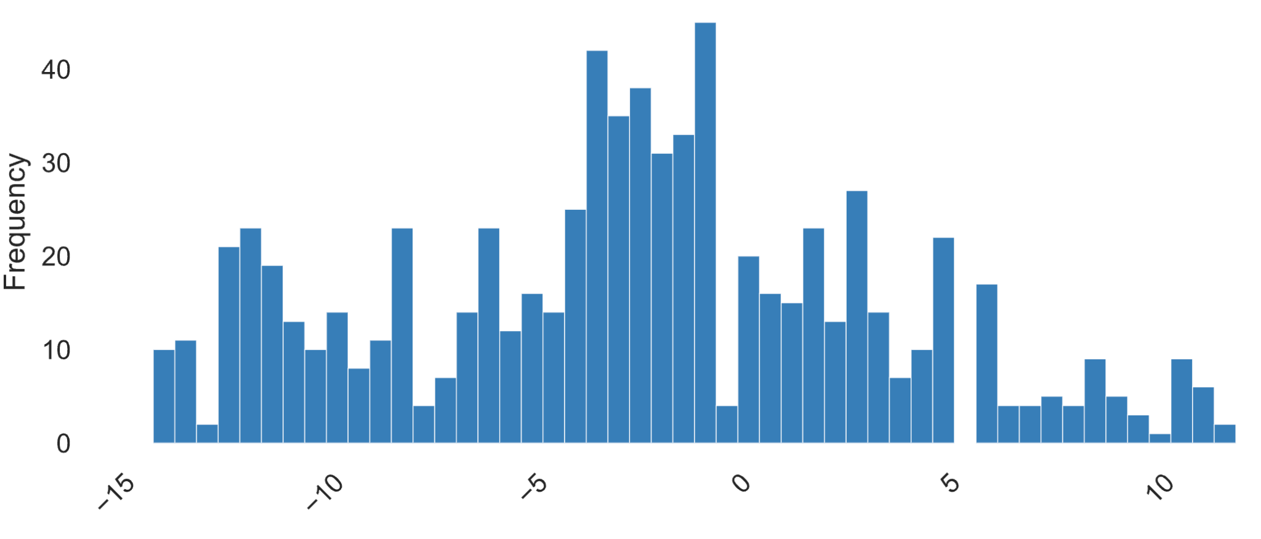
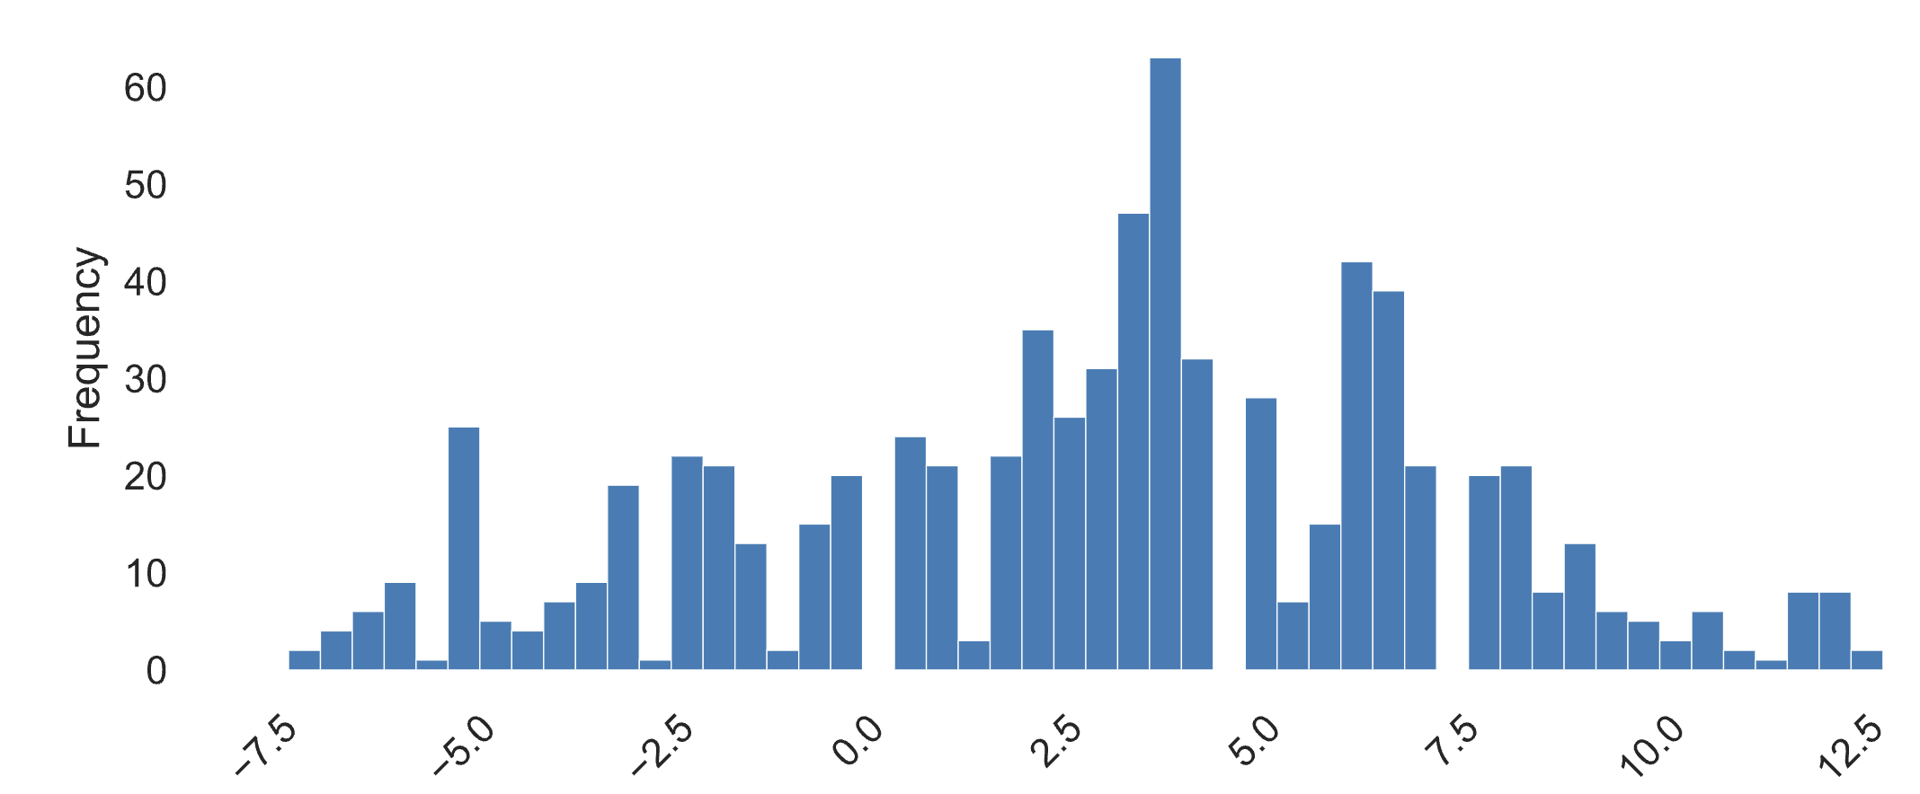

Windspeed |  |  |  | Conditions

